dSU 1500 001
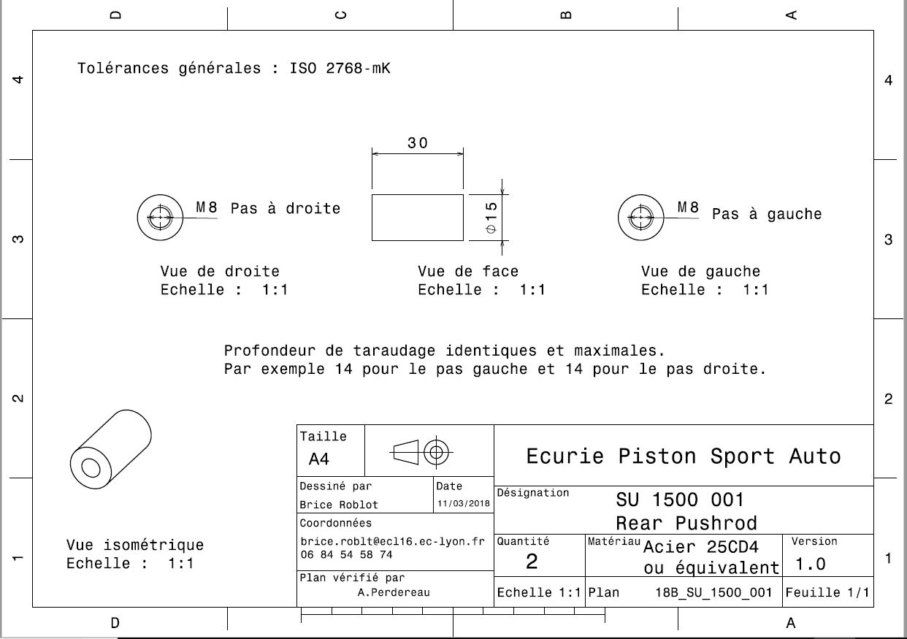
Drawing part: | SU 1500 001

SU 0600 002
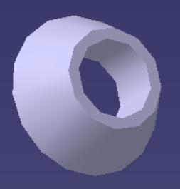
University | Ecole Centrale de Lyon |  |  |  |  | Back to BOM |  |  | Car # | 81 |  | Part Cost | $0.27
System | Suspension & Shocks |  | FileLink1 |  |  |  |  |  |  |  |  | Qty | 8
Assembly | Rear Pushrod |  | FileLink2 |  |  |  |  |  | FileLink1
Part | Spacer |  | FileLink3 |  |  |  |  |  | FileLink2 |  |  | Extended Cost | $2.12
P/N Base | SU 1500 002 |  |  |  |  |  |  |  | FileLink3
Suffix | AA
Details

ItemOrder | Material | Use | UnitCost | Size1 | Unit1 | Size2 | Unit2 | Area Name | Area | Length | Density | Quantity | Sub Total
10 | Steel, Mild | Material for Part | $2.25 | 0.0095 | kg |  |  | Cylindrical 16 mm diameter | 0.00020106 | 0.006 | 7,850 | 1.00 | $0.02
 |  |  |  |  |  |  |  |  |  |  |  | Sub Total | $0.02

ItemOrder | Process | Use | UnitCost | Unit | Quantity | Multiplier | Mult. Val. | Sub Total
10 | Machining setup, install and remove |  | $1.30 | unit | 1 | 8 parts made from a single machine setup | 0.125 | $0.16
20 | Machining |  | $0.04 | cm^3 | 0.68 | Material - Steel | 3 | $0.08
 |  |  |  |  |  |  | Sub Total | $0.24

